Description
Deep Retrofit Value (DRV) Green Leasing Tool
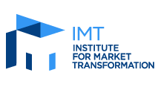
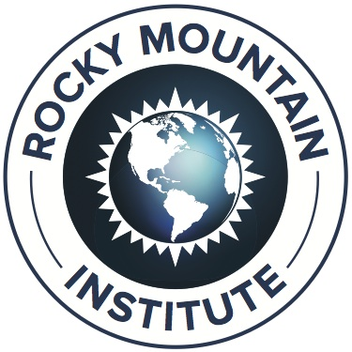

PURPOSE
The Institute for Market Transformation (IMT) and Rocky Mountain Institute (RMI) developed the DRV Green Leasing Tool to help both tenants and tenant representatives better estimate the business value of sustainable office spaces beyond energy cost savings. This will help tenants determine how much they might be willing to pay per square foot for a sustainable office space.

DIRECTIONS
The Tool is provided in the 2nd spreadsheet tab. Three categories of cost savings are included in the Tool: Recruiting, Health Insurance, and Presenteeism. Assumptions for each can be adjusted in the gold cells. With the assumptions already inputted in the Tool, a tenant should expect to save approximately $6.18 per square foot from Recruiting, Health Insurance, and Presenteeism cost savings from a sustainable office space in addition to energy cost saving. Ensure that a tenant's space can achieve these savings by submitting the Green Leasing Questionnaire to prospective landlords. The preliminary inputs in the tool are based on guidance from RMI's Deep Retrofit Value Guide for Occupants. We highly recommend reading at least the sections on Value Elements 4 (Health Costs) and 5 (Employee Costs) before using this tool. This total will of course change if the assumptions are changed. A sustainable office space may provide a given tenant more benefits than the three values quantified by the Tool.

GLOSSARY
Presenteeism = the reduced productivity that results from employees working while feeling sick or thermally/visually uncomfortable SF = square foot

INFORMATION SOURCES
The assumptions for the calculator represent industry averages and findings from market studies. For more information about these assumptions or the additional value of sustainable offices spaces beyond energy cost savings, see RMI's Deep Retrofit Value practice guide. The guide is available for download via the following URL: http://www.rmi.org/retrofit_depot_deepretrofitvalue

